M04
Speaker: M04 | Intelligibility: Very Low | Speech Vision Accuracy: 10.94

Model Name | Layers Frozen | Accuracy | Loss graph | Training accuracy graph
M04_E1.h5 | Encoder 1 | 7 | 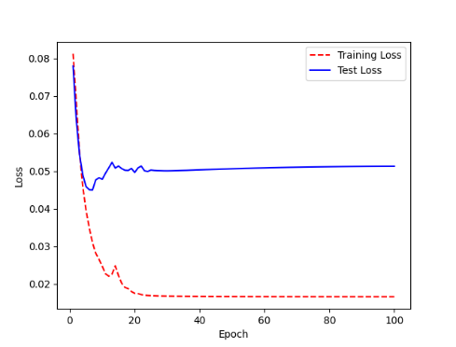 | 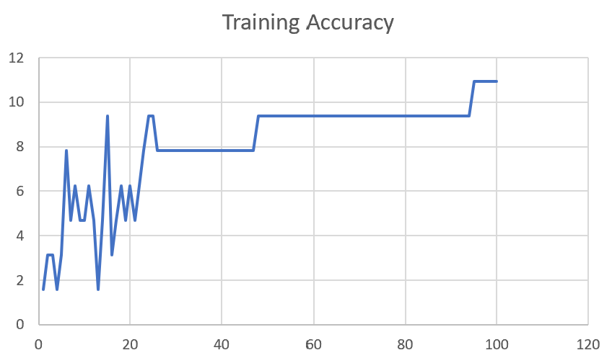

M04_E12.h5 | Encoder 12 | 5 | 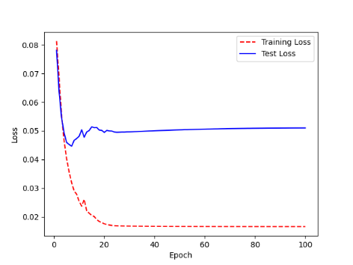 | 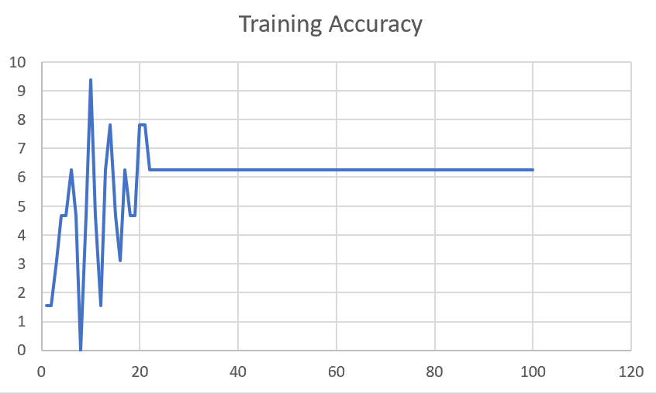

M04_E123 | Encoder 123 | 7 | 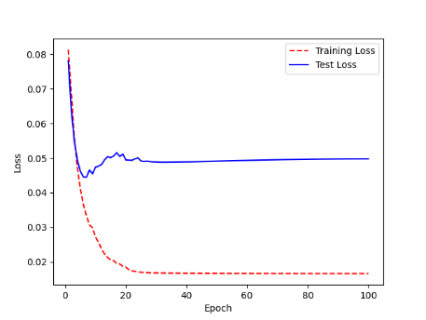 | 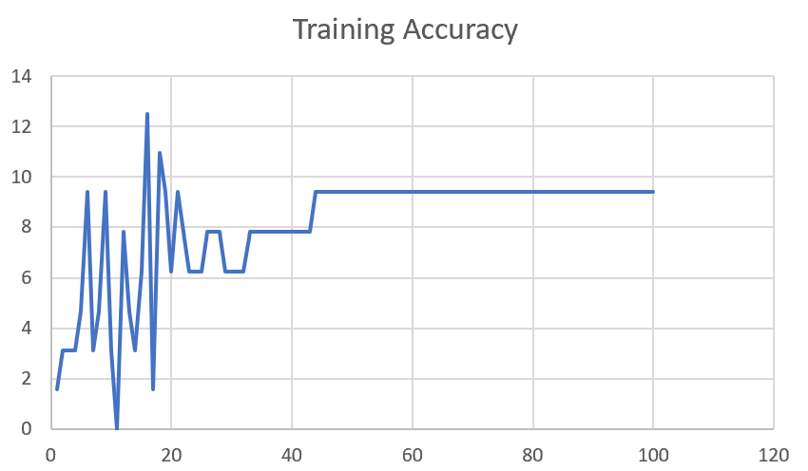

M04_E1234 | Encode 1234 | 6 |  | 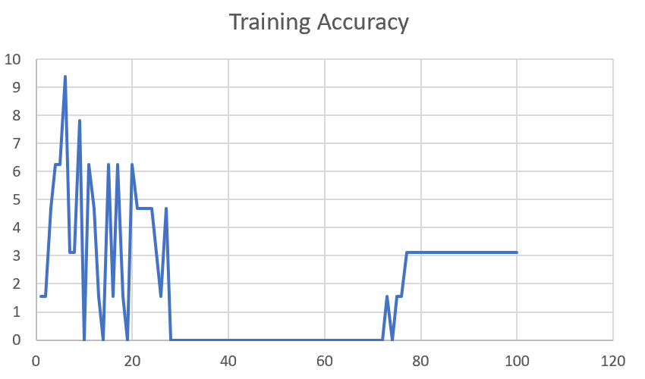

M04_E12345 | Encode 12345 | 6 | 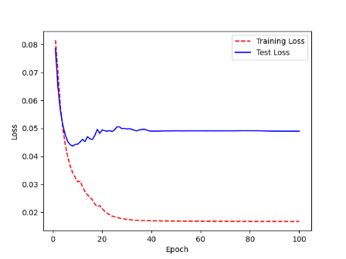 | 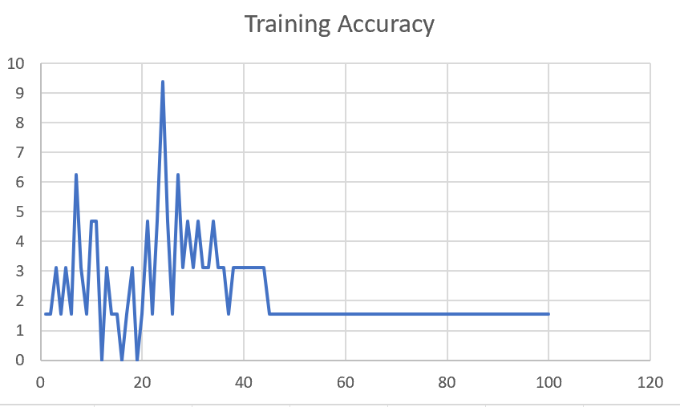

M04_TE | Token Embeddings | 7 | 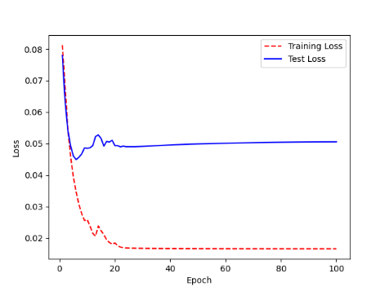 | 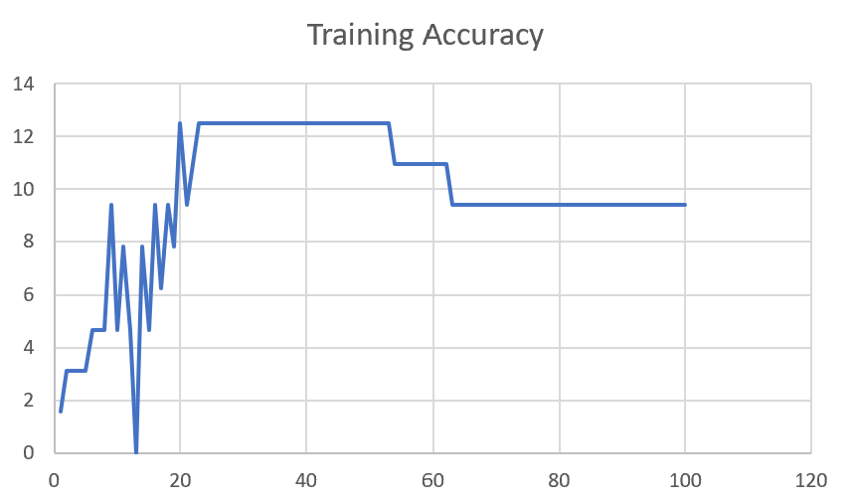

M04_T3+D123 | Token Embeddings + Decoder 1 | 6 | 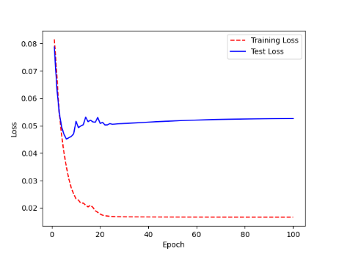 | 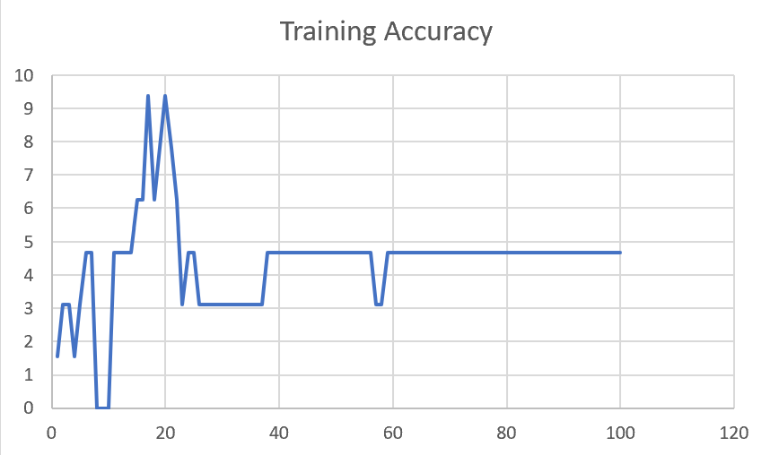

M04_T3+D12 | Token Embeddings + Decoder 12 | 6 | 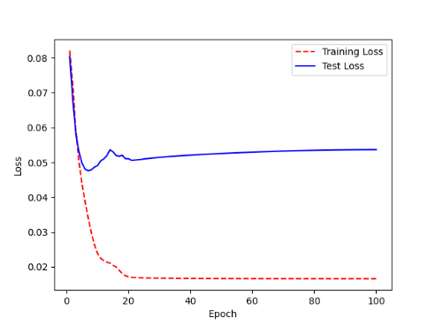 | 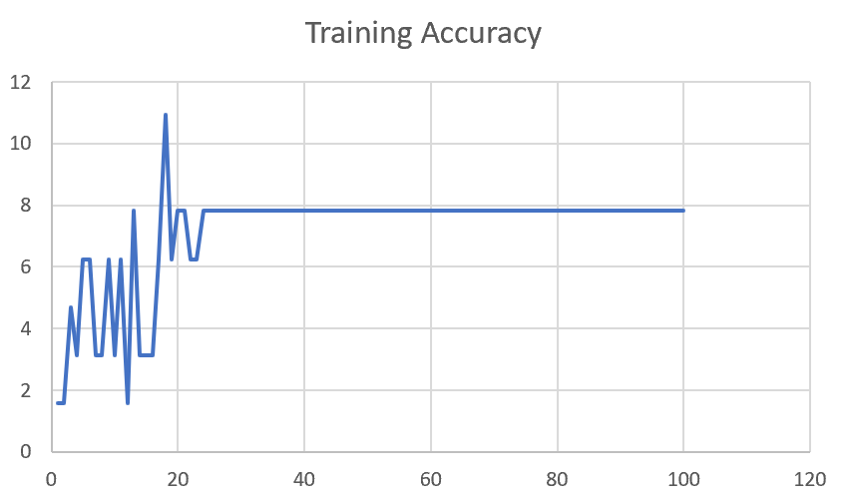

M04_T3+D1 | Token Embeddings + Decoder 123 | 5 | 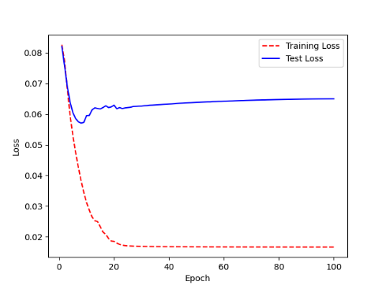 | 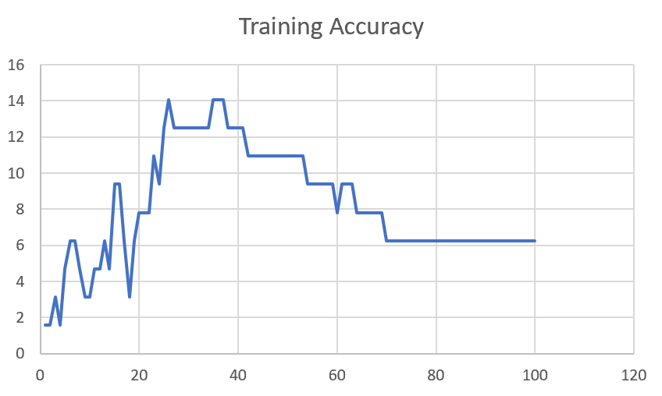

F02
Speaker: F02 | Intelligibility: Low | Speech Vision Accuracy: 67.02

Model Name | Layers Frozen | Accuracy | Loss graph | Training accuracy graph
F02_E1.h5 | Encoder 1 | 47 |  | 

F02_E12.h5 | Encoder 12 | 45 |  | 

F02_E123 | Encoder 123 | 47 |  | 

F02_E1234 | Encode 1234 | 43 |  | 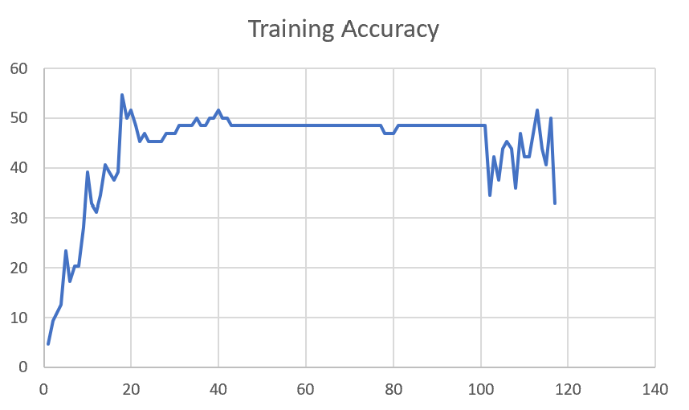

F02_E12345 | Encode 12345 | 41 | 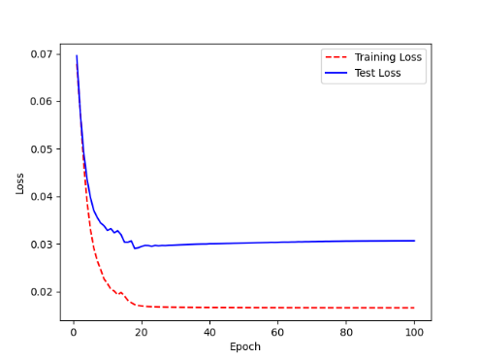 | 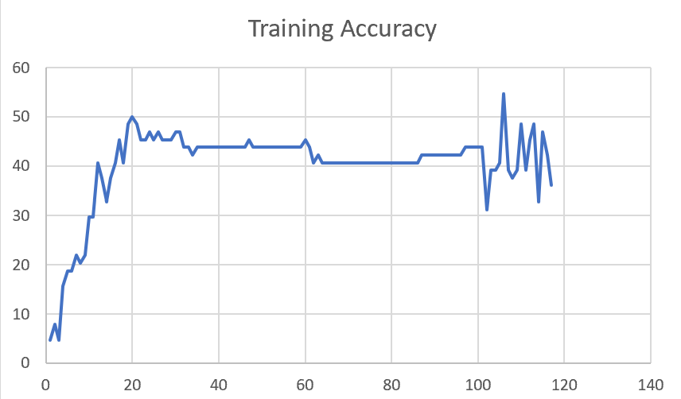

F02_t3 | Token Embeddings | 52 | 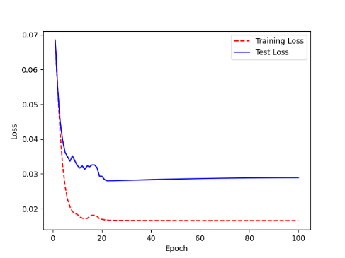 | 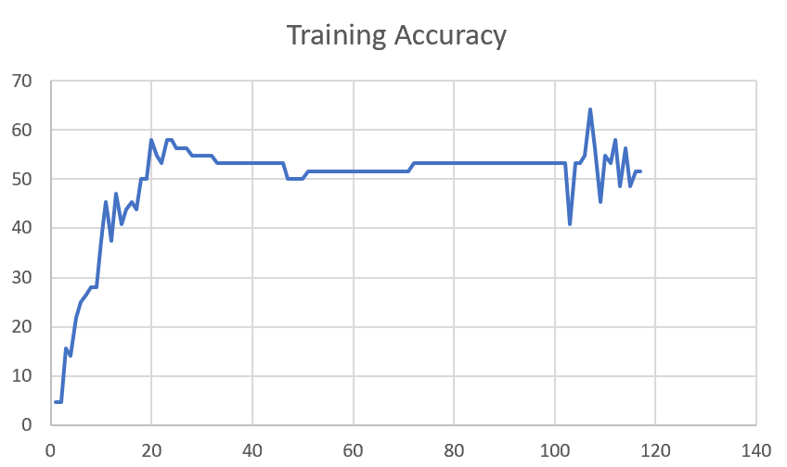

F02_T3+D123 | Token Embeddings + Decoder 123 | 45 | 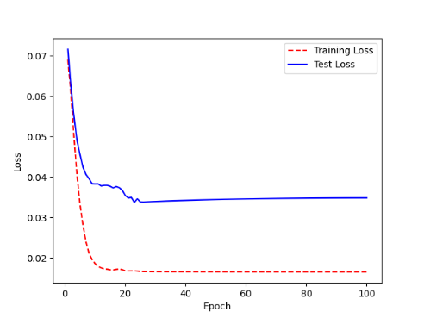 | 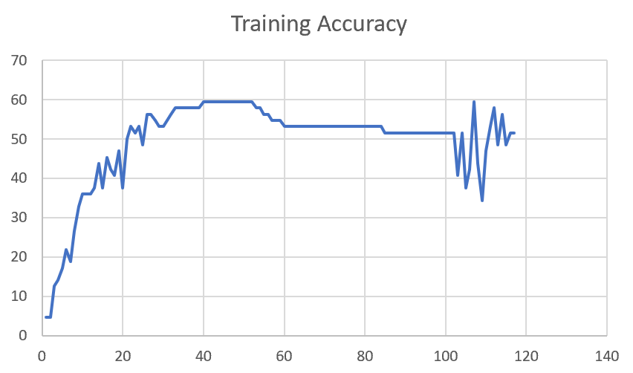

F02_T3+D12 | Token Embeddings + Decoder 12 | 50 | 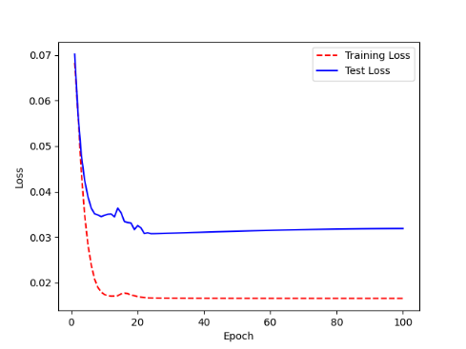 | 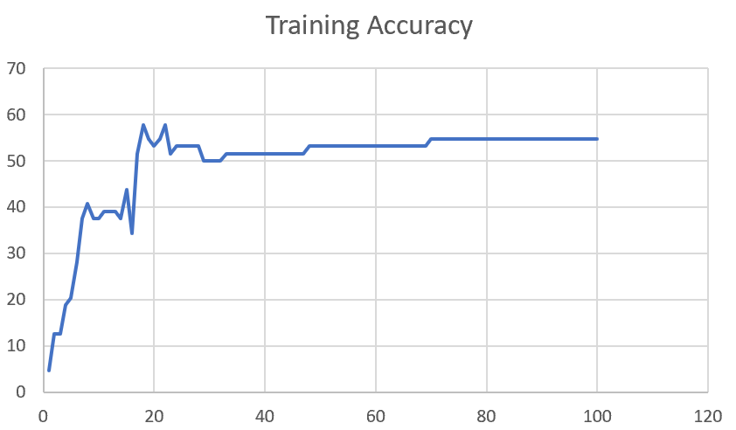

F02_T3+D1 | Token Embeddings + Decoder 1 | 50 | 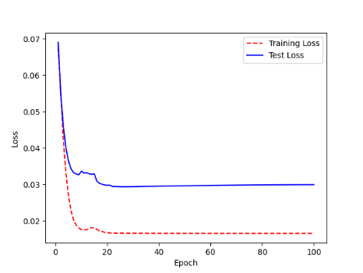 | 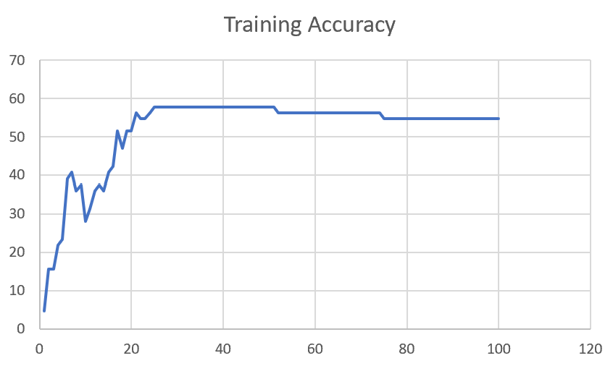

F03
Speaker: F03 | Intelligibility: Very Low | Speech Vision Accuracy: 32.47

Model Name | Layers Frozen | Accuracy | Loss graph | Training accuracy graph
F03_E1.h5 | Encoder 1 | 22 | 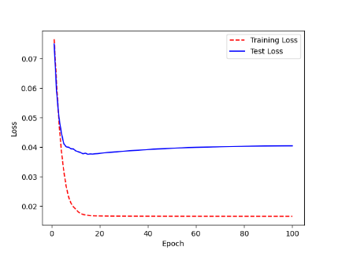 | 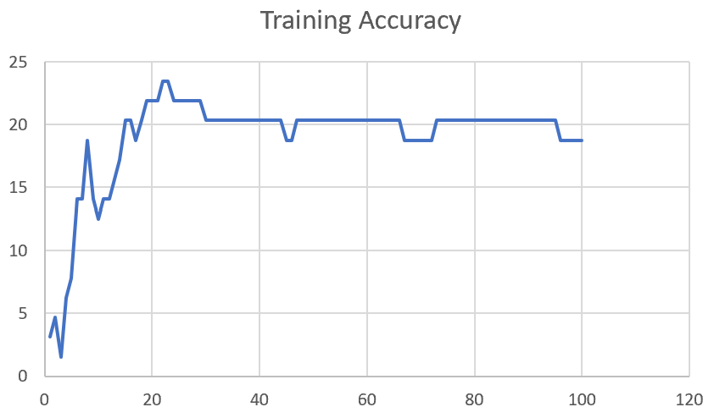

F03_E12.h5 | Encoder 12 | 25 | 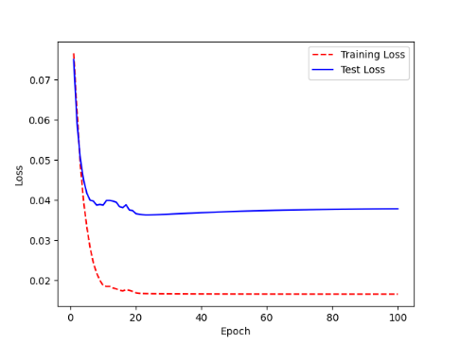 | 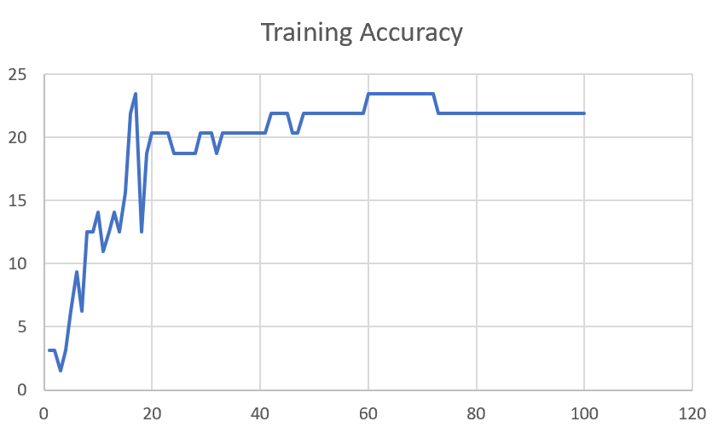

F03_E123 | Encoder 123 | 23 | 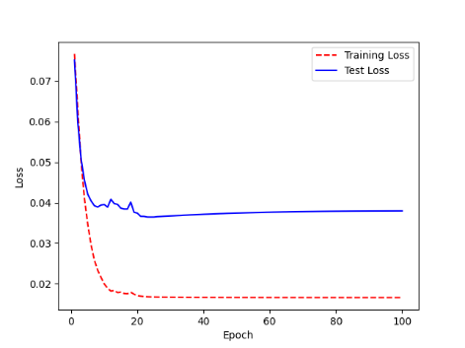 | 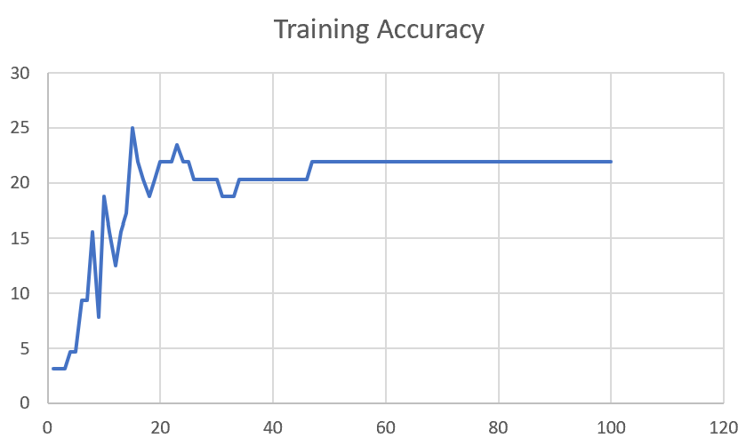

F03_E1234 | Encode 1234 | 20 | 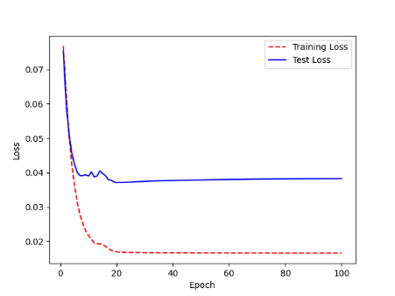 | 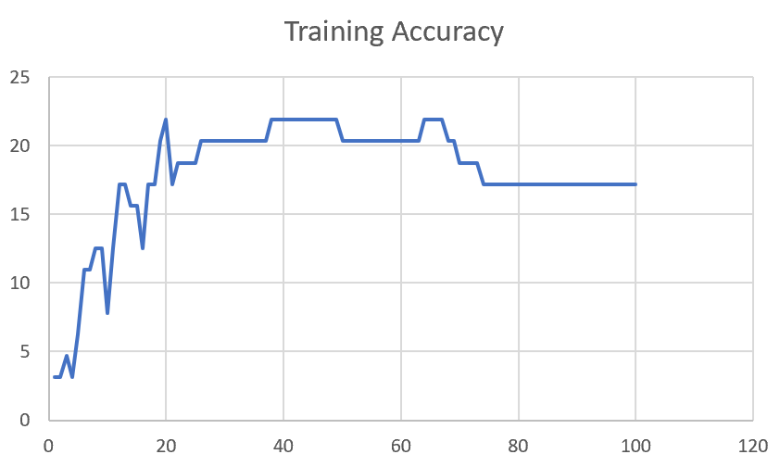

F03_E12345 | Encode 12345 | 19 |  | 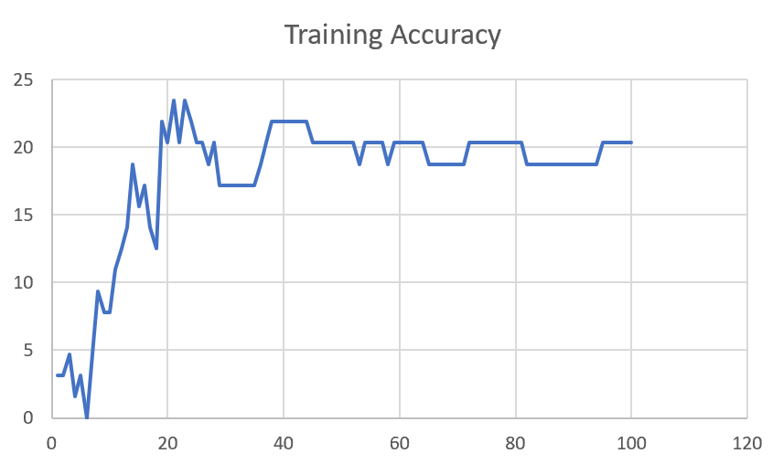

F03_TE | Token Embeddings | 28 |  | 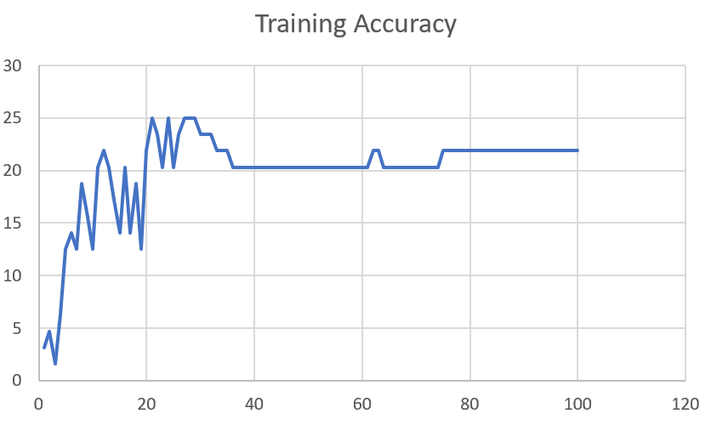

F03_T3+D123 | Token Embeddings + Decoder 1 | 29 |  | 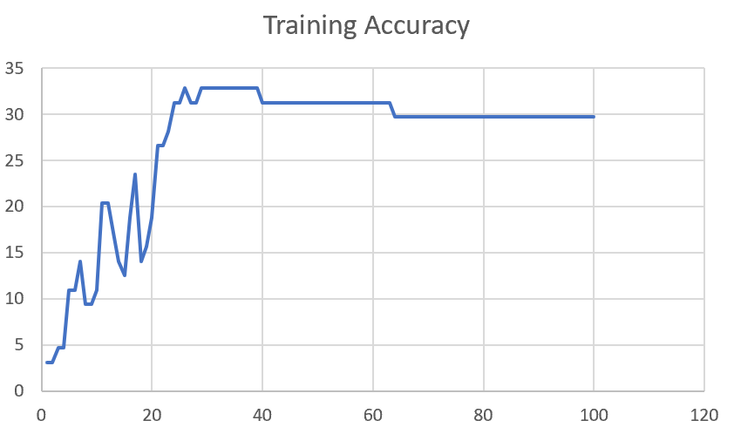

F03_T3+D12 | Token Embeddings + Decoder 12 | 25 | 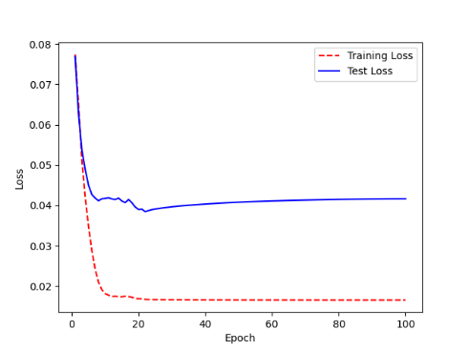 | 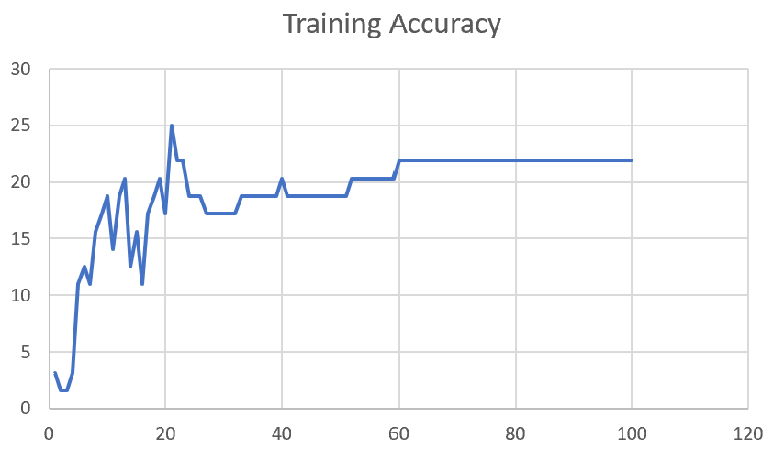

F03_T3+D1 | Token Embeddings + Decoder 123 | 22 | 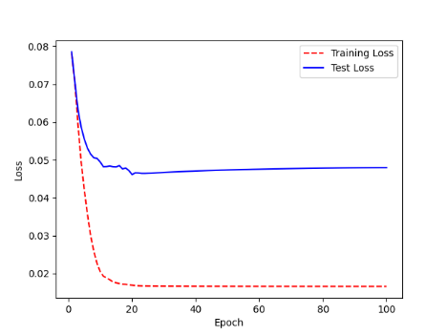 | 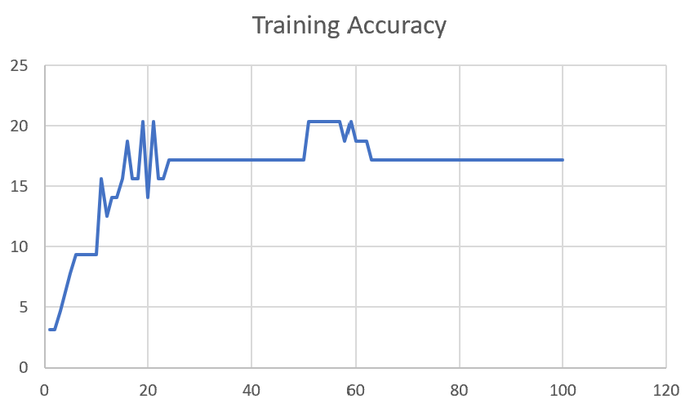

M12
Speaker: M12 | Intelligibility: Very Low | Speech Vision Accuracy: 40.65

Model Name | Layers Frozen | Accuracy | Loss graph | Training accuracy graph
M12_E1.h5 | Encoder 1 | 17 | 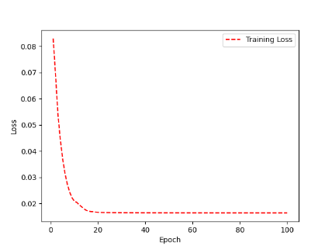 | 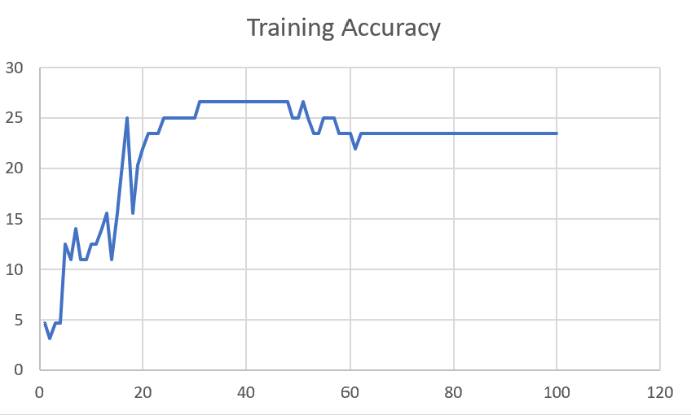

M12_E12.h5 | Encoder 12 | 18 |  | 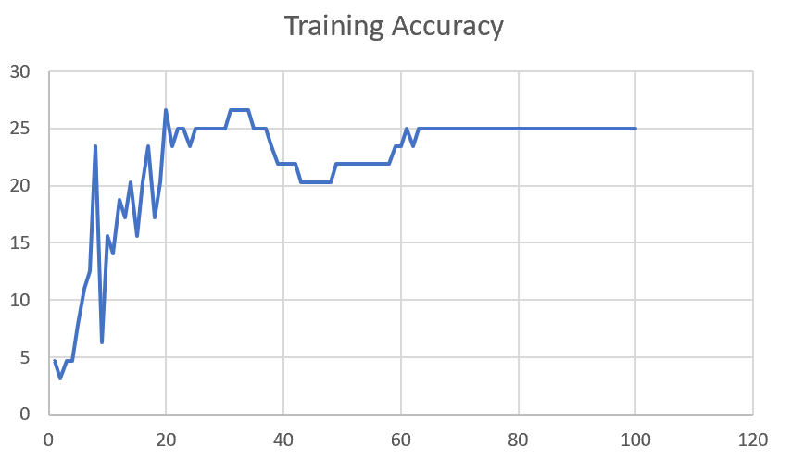

M12_E123 | Encoder 123 | 18 | 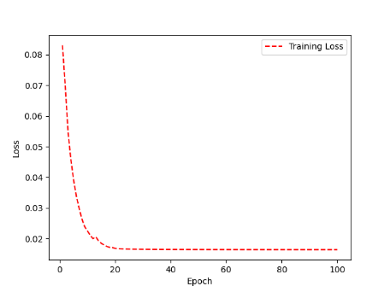 | 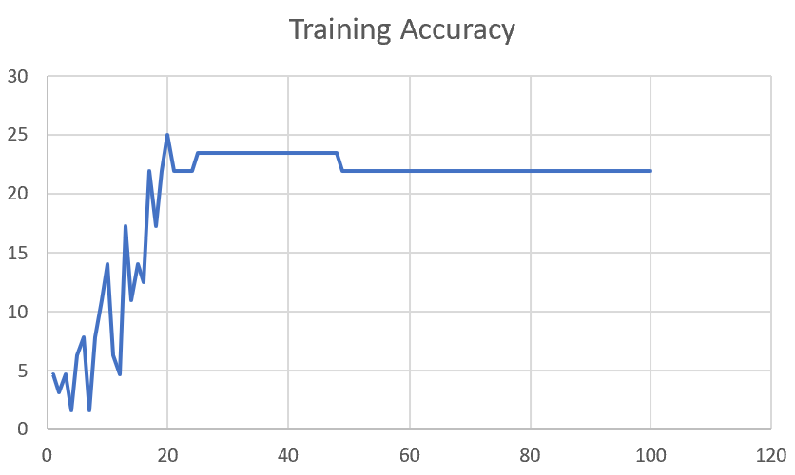

M12_E1234 | Encode 1234 | 14 | 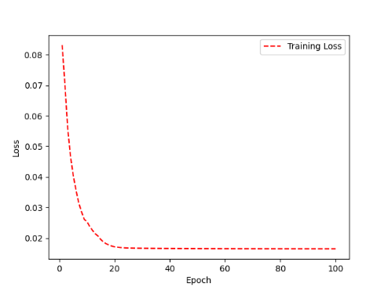 | 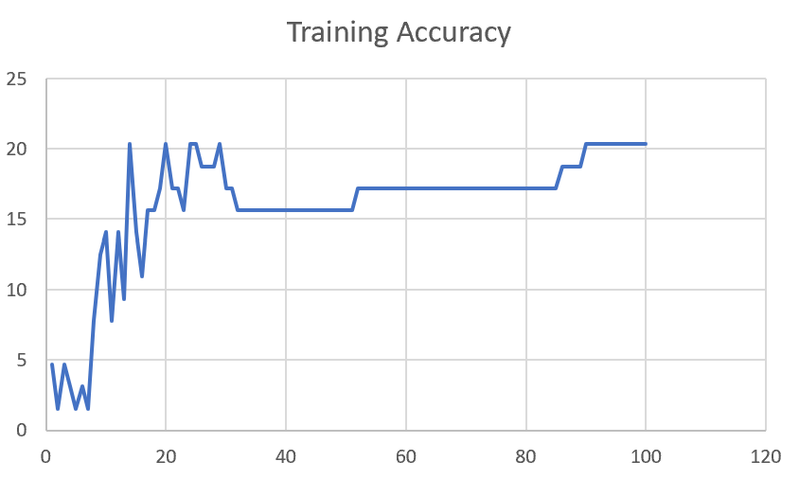

M12_E12345 | Encode 12345 | 16 |  | 

M12_TE | Token Embeddings | 19 |  | 

M12_T3+D123 | Token Embeddings + Decoder 1 | 17 |  | 

M12_T3+D12 | Token Embeddings + Decoder 12 | 16 |  | 

M12_T3+D1 | Token Embeddings + Decoder 123 | 13 |  | 

M12_D3 | Decoder 3 | 15 |  | 

M01
Speaker: M01 | Intelligibility: Very Low | Speech Vision Accuracy: 28.37

Model Name | Layers Frozen | Accuracy | Loss graph | Training accuracy graph
M01_E1.h5 | Encoder 1 | 24 |  | 

M01_E12.h5 | Encoder 12 | 22 |  | 

M01_E123 | Encoder 123 | 18 |  | 

M01_E1234 | Encode 1234 | 15 |  | 

M01_E12345 | Encode 12345 | 17 |  | 

M01_TE | Token Embeddings | 21 |  | 

M01_T3+D123 | Token Embeddings + Decoder 1 | 28 |  | 

M01_T3+D12 | Token Embeddings + Decoder 12 | 22 |  | 

M01_T3+D1 | Token Embeddings + Decoder 123 | 20 |  | 

M01_D3 | Decoder 3 | 26 |  | 

M07
Speaker: M07 | Intelligibility: Low | Speech Vision Accuracy: 69.46

Model Name | Layers Frozen | Accuracy | Loss graph | Training accuracy graph
M07_E1.h5 | Encoder 1 | 49 |  | 

M07_E12.h5 | Encoder 12 | 41 |  | 

M07_E123 | Encoder 123 | 39 |  | 

M07_E1234 | Encode 1234 | 35 |  | 

M07_E12345 | Encode 12345

M07_TE | Token Embeddings

M07_T3+D123 | Token Embeddings + Decoder 1

M07_T3+D12 | Token Embeddings + Decoder 12

M07_T3+D1 | Token Embeddings + Decoder 123

M01_D3 | Decoder 3

Sheet1
 |  |  | Training Accuracy
0 | 0.953125 | 1 | 4.6875
1 | 0.90625 | 2 | 9.375
2 | 0.890625 | 3 | 10.9375
3 | 0.859375 | 4 | 14.0625
4 | 0.859375 | 5 | 14.0625
5 | 0.8125 | 6 | 18.75
6 | 0.796875 | 7 | 20.3125
7 | 0.734375 | 8 | 26.5625
8 | 0.75 | 9 | 25
9 | 0.765625 | 10 | 23.4375
10 | 0.75 | 11 | 25
11 | 0.65625 | 12 | 34.375
12 | 0.71875 | 13 | 28.125
13 | 0.703125 | 14 | 29.6875
14 | 0.6875 | 15 | 31.25
15 | 0.703125 | 16 | 29.6875
16 | 0.65625 | 17 | 34.375
17 | 0.640625 | 18 | 35.9375
18 | 0.671875 | 19 | 32.8125
19 | 0.640625 | 20 | 35.9375
20 | 0.671875 | 21 | 32.8125
21 | 0.671875 | 22 | 32.8125
22 | 0.671875 | 23 | 32.8125
23 | 0.671875 | 24 | 32.8125
24 | 0.671875 | 25 | 32.8125
25 | 0.65625 | 26 | 34.375
26 | 0.65625 | 27 | 34.375
27 | 0.65625 | 28 | 34.375
28 | 0.65625 | 29 | 34.375
29 | 0.65625 | 30 | 34.375
30 | 0.65625 | 31 | 34.375
31 | 0.65625 | 32 | 34.375
32 | 0.65625 | 33 | 34.375
33 | 0.65625 | 34 | 34.375
34 | 0.65625 | 35 | 34.375
35 | 0.65625 | 36 | 34.375
36 | 0.65625 | 37 | 34.375
37 | 0.65625 | 38 | 34.375
38 | 0.65625 | 39 | 34.375
39 | 0.65625 | 40 | 34.375
40 | 0.65625 | 41 | 34.375
41 | 0.65625 | 42 | 34.375
42 | 0.65625 | 43 | 34.375
43 | 0.65625 | 44 | 34.375
44 | 0.65625 | 45 | 34.375
45 | 0.65625 | 46 | 34.375
46 | 0.65625 | 47 | 34.375
47 | 0.65625 | 48 | 34.375
48 | 0.671875 | 49 | 32.8125
49 | 0.671875 | 50 | 32.8125
50 | 0.65625 | 51 | 34.375
51 | 0.65625 | 52 | 34.375
52 | 0.65625 | 53 | 34.375
53 | 0.671875 | 54 | 32.8125
54 | 0.671875 | 55 | 32.8125
55 | 0.671875 | 56 | 32.8125
56 | 0.671875 | 57 | 32.8125
57 | 0.671875 | 58 | 32.8125
58 | 0.671875 | 59 | 32.8125
59 | 0.671875 | 60 | 32.8125
60 | 0.671875 | 61 | 32.8125
61 | 0.671875 | 62 | 32.8125
62 | 0.671875 | 63 | 32.8125
63 | 0.671875 | 64 | 32.8125
64 | 0.671875 | 65 | 32.8125
65 | 0.671875 | 66 | 32.8125
66 | 0.671875 | 67 | 32.8125
67 | 0.671875 | 68 | 32.8125
68 | 0.671875 | 69 | 32.8125
69 | 0.671875 | 70 | 32.8125
70 | 0.671875 | 71 | 32.8125
71 | 0.671875 | 72 | 32.8125
72 | 0.671875 | 73 | 32.8125
73 | 0.671875 | 74 | 32.8125
74 | 0.671875 | 75 | 32.8125
75 | 0.671875 | 76 | 32.8125
76 | 0.671875 | 77 | 32.8125
77 | 0.671875 | 78 | 32.8125
78 | 0.671875 | 79 | 32.8125
79 | 0.671875 | 80 | 32.8125
80 | 0.671875 | 81 | 32.8125
81 | 0.671875 | 82 | 32.8125
82 | 0.671875 | 83 | 32.8125
83 | 0.671875 | 84 | 32.8125
84 | 0.671875 | 85 | 32.8125
85 | 0.671875 | 86 | 32.8125
86 | 0.671875 | 87 | 32.8125
87 | 0.6875 | 88 | 31.25
88 | 0.6875 | 89 | 31.25
89 | 0.6875 | 90 | 31.25
90 | 0.6875 | 91 | 31.25
91 | 0.6875 | 92 | 31.25
92 | 0.6875 | 93 | 31.25
93 | 0.6875 | 94 | 31.25
94 | 0.6875 | 95 | 31.25
95 | 0.6875 | 96 | 31.25
96 | 0.6875 | 97 | 31.25
97 | 0.6875 | 98 | 31.25
98 | 0.6875 | 99 | 31.25
99 | 0.6875 | 100 | 31.25
<__main__.DisplayOutputs object at 0x7fd3ac5e8ca0> | 0.6875 | #VALUE! | 31.25
<__main__.DisplayOutputs object at 0x7fd3ac5e8ca0> | 0.640625 | #VALUE! | 35.9375
<__main__.DisplayOutputs object at 0x7fd3ac5e8ca0> | 0.71875 | #VALUE! | 28.125
<__main__.DisplayOutputs object at 0x7fd3ac5e8ca0> | 0.578125 | #VALUE! | 42.1875
<__main__.DisplayOutputs object at 0x7fd3ac5e8ca0> | 0.578125 | #VALUE! | 42.1875
<__main__.DisplayOutputs object at 0x7fd3ac5e8ca0> | 0.609375 | #VALUE! | 39.0625
<__main__.DisplayOutputs object at 0x7fd3ac5e8ca0> | 0.65625 | #VALUE! | 34.375
<__main__.DisplayOutputs object at 0x7fd3ac5e8ca0> | 0.671875 | #VALUE! | 32.8125
<__main__.DisplayOutputs object at 0x7fd3ac5e8ca0> | 0.640625 | #VALUE! | 35.9375
<__main__.DisplayOutputs object at 0x7fd3ac5e8ca0> | 0.640625 | #VALUE! | 35.9375
<__main__.DisplayOutputs object at 0x7fd3ac5e8ca0> | 0.625 | #VALUE! | 37.5
<__main__.DisplayOutputs object at 0x7fd3ac5e8ca0> | 0.625 | #VALUE! | 37.5
<__main__.DisplayOutputs object at 0x7fd3ac5e8ca0> | 0.59375 | #VALUE! | 40.625
<__main__.DisplayOutputs object at 0x7fd3ac5e8ca0> | 0.578125 | #VALUE! | 42.1875
<__main__.DisplayOutputs object at 0x7fd3ac5e8ca0> | 0.6875 | #VALUE! | 31.25
<__main__.DisplayOutputs object at 0x7fd3ac5e8ca0> | 0.671875 | #VALUE! | 32.8125
<__main__.DisplayOutputs object at 0x7fd3ac5e8ca0> | 0.5737704918 | #VALUE! | 42.62295082
<__main__.DisplayOutputs object at 0x7eff3012ee50> | 0.55737704918

